Worksheet
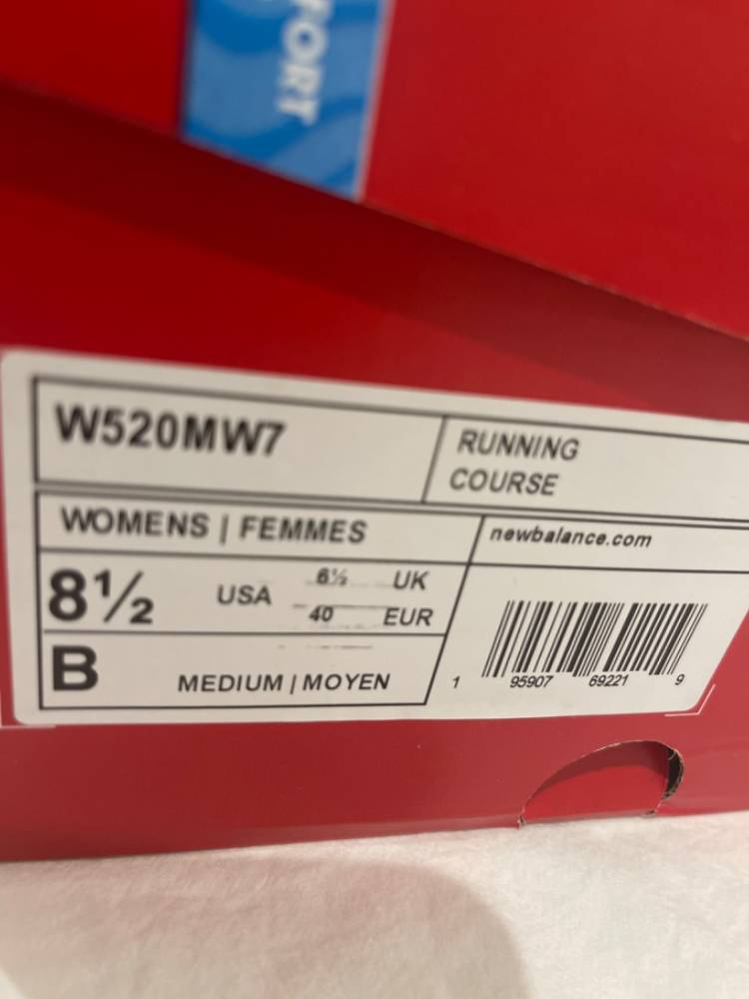

 |  |  | Date: 05-Mar
Hasan F |  |  | Purchase Order No:
amadercode1@gmail.com |  |  | Customer No:

BILL TO |  |  | SHIP TO
Sample Location 001 |  |  | Sample Location 001
5064 Cherokee St, Acworth, GA 30101 |  |  | 5064 Cherokee St, Acworth, GA 30101
Dhaka |  |  | Dhaka

Shipping Method | Shipping Terms | Ship Via | Payment
International Shipping | Net 14 | N/A | N/A

Product Name | Location | Case Pack | Color | M | 10 | 9 | 11 | 12 | 8 | L | S | XL | XS | Large | Small | 100 | Price | Total Quantity | Total Price
Sample Product 001 | Test Location |  | Black | 4 |  |  |  |  |  |  |  |  |  |  |  |  | ¥10.00 | 4 | ¥40.00
Sample Product Variant 002 | Default |  | Black | 10 |  |  |  |  |  |  |  |  |  |  |  |  | ¥10.00 | 10 | ¥100.00
Sample Product Variant 002 | Default | Size - UK | Black | 10 |  |  |  |  |  |  |  |  |  |  |  |  | ¥10.00 | 10 | ¥100.00
Sample Product Variant 002 | Location 002 |  | Black | 10 |  |  |  |  |  |  |  |  |  |  |  |  | ¥10.00 | 10 | ¥100.00
Sample Product Variant 002 | Location 002 |  | Black | 10 |  |  |  |  |  |  |  |  |  |  |  |  | ¥10.00 | 10 | ¥100.00

Comments/Instructions |  |  |  |  |  |  |  |  |  |  |  |  |  |  |  |  |  | Sub Total | ¥440.00
 |  |  |  |  |  |  |  |  |  |  |  |  |  |  |  |  |  | Discount | ¥0.00
 |  |  |  |  |  |  |  |  |  |  |  |  |  |  |  |  |  | TAX Rate (%) | 0.00%
 |  |  |  |  |  |  |  |  |  |  |  |  |  |  |  |  |  | Total Tax | ¥0.00
 |  |  |  |  |  |  |  |  |  |  |  |  |  |  |  |  |  | Shipping/Handling | ¥0.00
 |  |  |  |  |  |  |  |  |  |  |  |  |  |  |  |  |  | Other | ¥0.00
 |  |  |  |  |  |  |  |  |  |  |  |  |  |  |  |  |  | Total | ¥440.00

Powered by Vendee Pro

